Result_Record_Table
No. | Metrics | Original Image | Edge |  |  |  |  | Cloud |  |  |  |  | Edge-Cloud
0 |  |  | 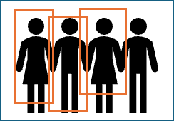 | Trial 1 | Trial 2 | Trial 3 | Average |  | Trial 1 | Trial 2 | Trial 3 | Average |  | Trial 1 | Trial 2 | Trial 3 | Average
 | Response Time (ms) |  |  | 371 | 407.217 | 449.231 | 409.15 |  | 4002 | 3721.988 | 4236.134 | 3986.71 |  | 382 | 403 | 382.22 | 389.07
 | Processing Time (ms) |  |  | 348.437 | 380.249 | 409.983 | 379.56 |  | 1133.301 | 1123.764 | 1133.13 | 1130.07 |  | 364.606 | 376.22 | 364.92 | 368.58
 | Number of people | Ground Truth | Detect | Accuracy |  |  |  | Detect | Accuracy |  |  |  | Detect | Accuracy
 |  | 4 | 3 | 0.88 |  |  |  | 4 | 1 |  |  |  | 3 | 0.88
1 |  | 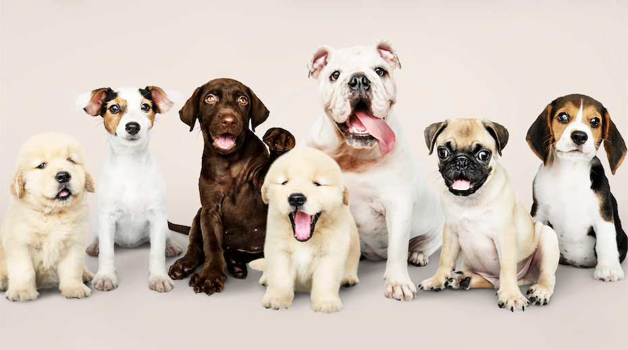 | [ Insert Image in cell ] | Trial 1 | Trial 2 | Trial 3 | Average | [ Insert Image in cell ] | Trial 1 | Trial 2 | Trial 3 | Average | [ Insert Image in cell ] | Trial 1 | Trial 2 | Trial 3 | Average
 | Response Time (ms) |  |  |  |  |  | 0 |  |  |  |  | 0 |  |  |  |  | 0
 | Processing Time (ms) |  |  |  |  |  | 0 |  |  |  |  | 0 |  |  |  |  | 0
 | Number of people | Ground Truth | Detect | Accuracy |  |  |  | Detect | Accuracy |  |  |  | Detect | Accuracy
 |  |  |  | 1 |  |  |  |  | 1 |  |  |  |  | 1
2 |  |  | [ Insert Image in cell ] | Trial 1 | Trial 2 | Trial 3 | Average | [ Insert Image in cell ] | Trial 1 | Trial 2 | Trial 3 | Average | [ Insert Image in cell ] | Trial 1 | Trial 2 | Trial 3 | Average
 | Response Time (ms) |  |  |  |  |  | 0 |  |  |  |  | 0 |  |  |  |  | 0
 | Processing Time (ms) |  |  |  |  |  | 0 |  |  |  |  | 0 |  |  |  |  | 0
 | Number of people | Ground Truth | Detect | Accuracy |  |  |  | Detect | Accuracy |  |  |  | Detect | Accuracy
 |  |  |  | 1 |  |  |  |  | 1 |  |  |  |  | 1
3 |  | 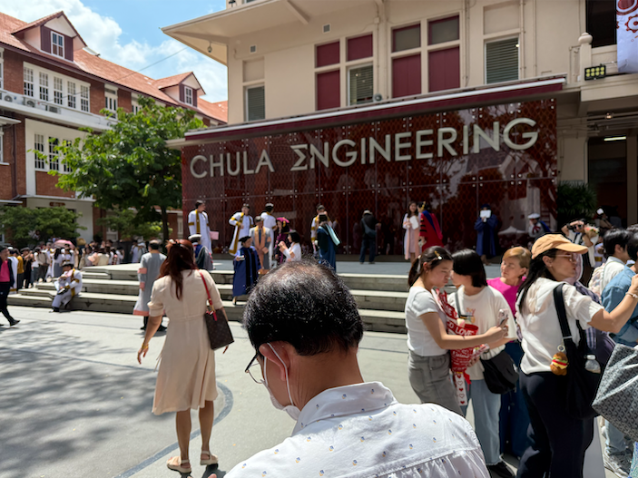 | [ Insert Image in cell ] | Trial 1 | Trial 2 | Trial 3 | Average | [ Insert Image in cell ] | Trial 1 | Trial 2 | Trial 3 | Average | [ Insert Image in cell ] | Trial 1 | Trial 2 | Trial 3 | Average
 | Response Time (ms) |  |  |  |  |  | 0 |  |  |  |  | 0 |  |  |  |  | 0
 | Processing Time (ms) |  |  |  |  |  | 0 |  |  |  |  | 0 |  |  |  |  | 0
 | Number of people | Ground Truth | Detect | Accuracy |  |  |  | Detect | Accuracy |  |  |  | Detect | Accuracy
 |  |  |  | 1 |  |  |  |  | 1 |  |  |  |  | 1
4 |  | 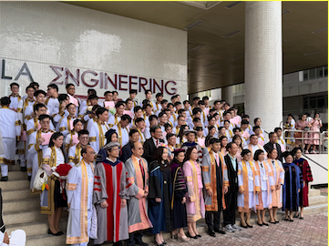 | [ Insert Image in cell ] | Trial 1 | Trial 2 | Trial 3 | Average | [ Insert Image in cell ] | Trial 1 | Trial 2 | Trial 3 | Average | [ Insert Image in cell ] | Trial 1 | Trial 2 | Trial 3 | Average
 | Response Time (ms) |  |  |  |  |  | 0 |  |  |  |  | 0 |  |  |  |  | 0
 | Processing Time (ms) |  |  |  |  |  | 0 |  |  |  |  | 0 |  |  |  |  | 0
 | Number of people | Ground Truth | Detect | Accuracy |  |  |  | Detect | Accuracy |  |  |  | Detect | Accuracy
 |  |  |  | 1 |  |  |  |  | 1 |  |  |  |  | 1
5 |  | [ Insert Image in cell ] | [ Insert Image in cell ] | Trial 1 | Trial 2 | Trial 3 | Average | [ Insert Image in cell ] | Trial 1 | Trial 2 | Trial 3 | Average | [ Insert Image in cell ] | Trial 1 | Trial 2 | Trial 3 | Average
 | Response Time (ms) |  |  |  |  |  | 0 |  |  |  |  | 0 |  |  |  |  | 0
 | Processing Time (ms) |  |  |  |  |  | 0 |  |  |  |  | 0 |  |  |  |  | 0
 | Number of people | Ground Truth | Detect | Accuracy |  |  |  | Detect | Accuracy |  |  |  | Detect | Accuracy
 |  |  |  | 1 |  |  |  |  | 1 |  |  |  |  | 1
6 |  | [ Insert Image in cell ] | [ Insert Image in cell ] | Trial 1 | Trial 2 | Trial 3 | Average | [ Insert Image in cell ] | Trial 1 | Trial 2 | Trial 3 | Average | [ Insert Image in cell ] | Trial 1 | Trial 2 | Trial 3 | Average
 | Response Time (ms) |  |  |  |  |  | 0 |  |  |  |  | 0 |  |  |  |  | 0
 | Processing Time (ms) |  |  |  |  |  | 0 |  |  |  |  | 0 |  |  |  |  | 0
 | Number of people | Ground Truth | Detect | Accuracy |  |  |  | Detect | Accuracy |  |  |  | Detect | Accuracy
 |  |  |  | 1 |  |  |  |  | 1 |  |  |  |  | 1
7 |  | [ Insert Image in cell ] | [ Insert Image in cell ] | Trial 1 | Trial 2 | Trial 3 | Average | [ Insert Image in cell ] | Trial 1 | Trial 2 | Trial 3 | Average | [ Insert Image in cell ] | Trial 1 | Trial 2 | Trial 3 | Average
 | Response Time (ms) |  |  |  |  |  | 0 |  |  |  |  | 0 |  |  |  |  | 0
 | Processing Time (ms) |  |  |  |  |  | 0 |  |  |  |  | 0 |  |  |  |  | 0
 | Number of people | Ground Truth | Detect | Accuracy |  |  |  | Detect | Accuracy |  |  |  | Detect | Accuracy
 |  |  |  | 1 |  |  |  |  | 1 |  |  |  |  | 1
8 |  | [ Insert Image in cell ] | [ Insert Image in cell ] | Trial 1 | Trial 2 | Trial 3 | Average | [ Insert Image in cell ] | Trial 1 | Trial 2 | Trial 3 | Average | [ Insert Image in cell ] | Trial 1 | Trial 2 | Trial 3 | Average
 | Response Time (ms) |  |  |  |  |  | 0 |  |  |  |  | 0 |  |  |  |  | 0
 | Processing Time (ms) |  |  |  |  |  | 0 |  |  |  |  | 0 |  |  |  |  | 0
 | Number of people | Ground Truth | Detect | Accuracy |  |  |  | Detect | Accuracy |  |  |  | Detect | Accuracy
 |  |  |  | 1 |  |  |  |  | 1 |  |  |  |  | 1
9 |  | [ Insert Image in cell ] | [ Insert Image in cell ] | Trial 1 | Trial 2 | Trial 3 | Average | [ Insert Image in cell ] | Trial 1 | Trial 2 | Trial 3 | Average | [ Insert Image in cell ] | Trial 1 | Trial 2 | Trial 3 | Average
 | Response Time (ms) |  |  |  |  |  | 0 |  |  |  |  | 0 |  |  |  |  | 0
 | Processing Time (ms) |  |  |  |  |  | 0 |  |  |  |  | 0 |  |  |  |  | 0
 | Number of people | Ground Truth | Detect | Accuracy |  |  |  | Detect | Accuracy |  |  |  | Detect | Accuracy
 |  |  |  | 1 |  |  |  |  | 1 |  |  |  |  | 1
10 |  | [ Insert Image in cell ] | [ Insert Image in cell ] | Trial 1 | Trial 2 | Trial 3 | Average | [ Insert Image in cell ] | Trial 1 | Trial 2 | Trial 3 | Average | [ Insert Image in cell ] | Trial 1 | Trial 2 | Trial 3 | Average
 | Response Time (ms) |  |  |  |  |  | 0 |  |  |  |  | 0 |  |  |  |  | 0
 | Processing Time (ms) |  |  |  |  |  | 0 |  |  |  |  | 0 |  |  |  |  | 0
 | Number of people | Ground Truth | Detect | Accuracy |  |  |  | Detect | Accuracy |  |  |  | Detect | Accuracy
 |  |  |  | 1 |  |  |  |  | 1 |  |  |  |  | 1
Summary | Average Response Time (ms) |  | 0 |  |  |  |  | 0 |  |  |  |  | 0
 | Average Processing Time (ms) |  | 0 |  |  |  |  | 0 |  |  |  |  | 0
 | Average Accuracy |  | 1 |  |  |  |  | 1 |  |  |  |  | 1

